nps_deliverable
Global NPS
date | nps_global | nb_reviews
2021-Jun | 0.67 | 1,441
2021-Jul | 0.64 | 1,456
2021-Aug | 0.63 | 1,269
Grand Total | 0.65 | 4,166
nps_global and nb_reviews

CSAT by domain
date | nps_global | csat_website | csat_product | csat_price | csat_delivery
2021-Jun | 67.0% | 4.52 | 4.42 | 4.04 | 4.56
2021-Jul | 63.8% | 4.52 | 4.36 | 4.06 | 4.58
2021-Aug | 62.9% | 4.49 | 4.38 | 4.04 | 4.53
Grand Total | 64.6% | 4.51 | 4.39 | 4.05 | 4.56

Zoom on NPS and CSAT changes over time

NPS by transporter
 | transporter | Values
 | Chrono Home |  | Chrono Pickup |  | DPD Home |  | DPD Pickup |  | Grand Total
date | nb | csat delivery | nb | csat delivery | nb | csat delivery | nb | csat delivery | nb | csat delivery
2021-Jun | 88 | 4.67 | 768 | 4.53 | 433 | 4.65 | 161 | 4.42 | 1,450 | 4.56
2021-Jul | 88 | 4.43 | 710 | 4.60 | 491 | 4.63 | 173 | 4.49 | 1,462 | 4.58
2021-Aug | 59 | 4.23 | 709 | 4.58 | 370 | 4.61 | 149 | 4.22 | 1,287 | 4.53
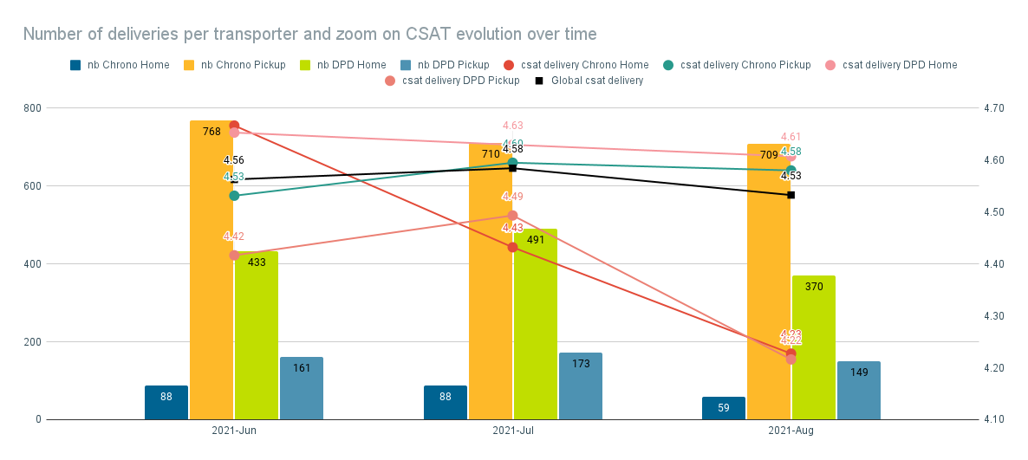
Grand Total | 235 | 4.47 | 2,187 | 4.57 | 1,294 | 4.63 | 483 | 4.38 | 4,199 | 4.56

NPS by segment

 | sgt | Values
 | frequent |  | new |  | occasionnal |  | Grand Total
date | orders count | nps_global | orders count | nps_global | orders count | nps_global | orders count | nps_global
2021-Jun | 354 | 72.7% | 593 | 63.2% | 503 | 67.3% | 1,450 | 67.0%
2021-Jul | 413 | 65.0% | 551 | 58.4% | 498 | 68.8% | 1,462 | 63.8%
2021-Aug | 394 | 66.0% | 488 | 60.5% | 405 | 62.7% | 1,287 | 62.9%
Zoom on NPS changes by segment over time
Grand Total | 1,161 | 67.7% | 1,632 | 60.8% | 1,406 | 66.5% | 4,199 | 0.65

